Dashboard
DISPATCH DASHBOARD | 

TOP 5 ITEM WITH HIGHEST LENGTH
 | Total
M CORE 2F 2FRP YARN | 1860
M CORE 4F 2FRP YARN | 1626
M CORE 6F 2FRP YARN | 2028
SUPREME 2F FTTH 2FRP YARN | 2096
SUPREME 6F 2FRP YARN | 1953
 | TOTAL ITEMS
 | 52499

 | TOTAL LENGTH
 | 50759 KM

 | TOP BRAND
 | MCORE

MONTHLY ITEM LENGTH OF 2024
 | LENGTH
Jan | 3096
Feb | 5891
Mar | 6488
Apr | 7554
May | 3977
Jun | 3129
Jul | 3316
Aug | 2909
Sep | 3194
Oct | 4031
Nov | 2882
Dec | 4291
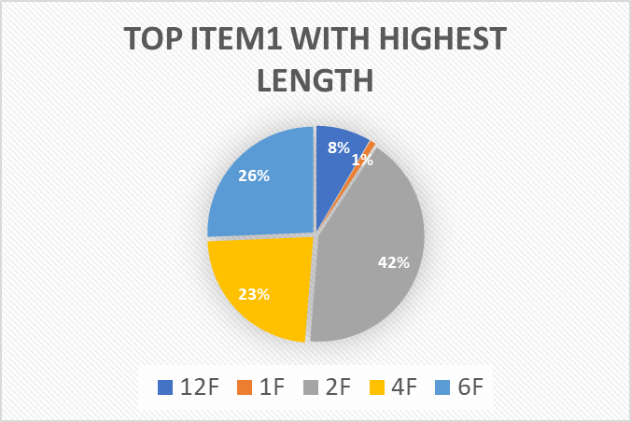
TOP ITEM2 WITH HIGHEST LENGTH
 | Total
2FRP | 34933
FTTH 2FRP | 10203
FTTH FRP | 3585
SM ARMOURED | 95
STEEL | 1854

TOP 5 CHALLAN NO WITH HIGHEST LENGTH
 | Total
K/62/039 | 371
K/66/032 | 360
K/69/25 | 526
K/69/31 | 377
K/75/29 | 392
TOP BRANDS WITH HIGHEST LENGTH
 | Total
AS FIBER | 3019
FIBROS TECHNOLOGY | 1614
M CORE | 15677
SUPER CALIFORNIA PLATINUM U.S.A | 2099
SUPREME | 6815

TOP CHALLAN NO WITH MAX LENGTH
TOP 5 CHALLAN NO WITH HIGHEST LENGTH
 | Total
K/62/039 | 371
K/66/032 | 360
K/69/25 | 526
K/69/31 | 377
K/75/29 | 392

CHALLAN NO. | COUNT OF LENGTH
K/62/039 | 371
K/66/032 | 360
K/69/25 | 526
K/69/31 | 377
K/75/29 | 392
Grand Total | 2026

HIGHEST LENGTH BRAND-WISE
TOP BRANDS WITH HIGHEST LENGTH
 | Total
AS FIBER | 3019
FIBROS TECHNOLOGY | 1614
M CORE | 15677
SUPER CALIFORNIA PLATINUM U.S.A | 2099
SUPREME | 6815

BRAND | Count of LENGTH
AS FIBER | 3019
FIBROS TECHNOLOGY | 1614
M CORE | 15677
SUPER CALIFORNIA PLATINUM U.S.A | 2099
SUPREME | 6815
Grand Total | 29224

ITEM 2 WISE HIGHEST LENGTH
TOP ITEM2 WITH HIGHEST LENGTH
 | Total
2FRP | 34933
FTTH 2FRP | 10203
FTTH FRP | 3585
SM ARMOURED | 95
STEEL | 1854

Row Labels | Count of LENGTH
2FRP | 34933
FTTH 2FRP | 10203
FTTH FRP | 3585
SM ARMOURED | 95
STEEL | 1854
Grand Total | 50670

ITEM1 WISE HIGHEST LENGTH
TOP ITEM1 WITH HIGHEST LENGTH
 | LENGTH
12F | 4242
1F | 447
2F | 21212
4F | 11656
6F | 12963
ITME 1 | Count of LENGTH
12F | 4242
1F | 447
2F | 21212
4F | 11656
6F | 12963
Grand Total | 50520

ITEMS WITH HIGHEST LENGTH
TOP 5 ITEM WITH HIGHEST LENGTH
 | Total
M CORE 2F 2FRP YARN | 1860
M CORE 4F 2FRP YARN | 1626
M CORE 6F 2FRP YARN | 2028
SUPREME 2F FTTH 2FRP YARN | 2096
SUPREME 6F 2FRP YARN | 1953

Row Labels | Count of LENGTH
M CORE 2F 2FRP YARN | 1860
M CORE 4F 2FRP YARN | 1626
M CORE 6F 2FRP YARN | 2028
SUPREME 2F FTTH 2FRP YARN | 2096
SUPREME 6F 2FRP YARN | 1953
Grand Total | 9563

